Title Sheet
Note: The data and information in this document is reflective of a hypothetical situation and client. This document is to be used for KPMG Virtual Internship purposes only.

 | KPMG Virtual Internship
 | Sprocket Central Pty Ltd Data Set

 | To view the datasets, click on the yellow tabs/sheets at the bottom of this file
 | Click on the sheets are named "CustomerDemographic", "CustomerAddress", "Transactions" and "NewCustomerList"

 | Module 1 Task | Module 2 Task | Module 3 Task
 | Your task is to take a look at the following datasets provided by Sprocket Central Pty Ltd and identify all data quality issues. Once you've had a look at these datasets, draft an email to the client identifying all data quality issues. | Create a PowerPoint presentation wihch outlines the approach we will be taking to identify which of the 1000 customers Sprocket Central Pty Ltd should target, based on this dataset. Explain the three phases: Data Exploration; Model Development and Interpretation. | Please develop a dashboard that we can present to the client at our next meeting. Display your data summary and results of the analysis in a dashboard (see tools/references for assistance). Specifically, your presentation should specify who Sprocket Central Pty Ltd' should be targeting out of the new 1000 customer list.

 | Return to the virtual internship here:
 | https://www.insidesherpa.com/virtual-internships/theme/m7W4GMqeT3bh9Nb2c/KPMG-Data-Analytics-Virtual-Internship

 | © 2018 KPMG, an Australian partnership and a member firm of the KPMG network of independent member firms affiliated with KPMG International Cooperative (“KPMG International”), a Swiss entity. All rights reserved.

 | Need some help getting started, or new to excel/data?
 | Here is a warm up task with this dataset

 | Warm up task:
 | 1) Look over the datasets provided by Sprocket Central Pty Ltd (you can navigate through sheets by clicking the tabs at the bottom).
 | 2) Go to the 'CustomerDemographic' dataset
 | 3) Select entire dataset by clicking cell in the uppermost top left hand corner (see picture below)

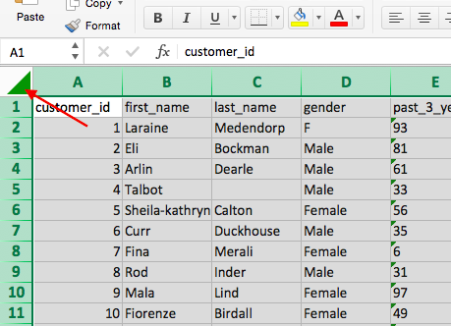

 | 4) Once you've selected the entire dataset, click 'Data' in the top bar of the sheet and click 'Filter' (see picture below). Once you click this, you'll notice that arrows appear in each cell in the top row. If you click the arrows, this creates a pop-up which allows you to only select certain values. Make sure you understand how to use the 'Filter' tool properly as this will be your main tool for analysis in the later modules.

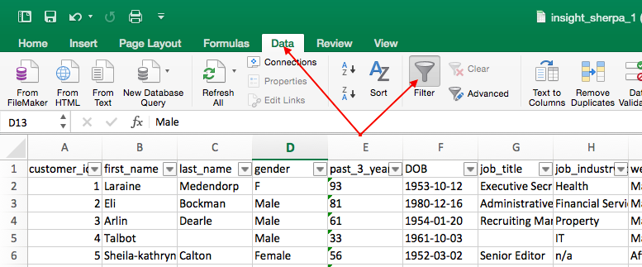

 | 5) Go to the 'DOB' column and click the filter arrow. This should bring up a pop-up which allows you to sort your data. Click 'Ascending' and this should sort your data-set from least to most recent from top to bottom (by date of birth). Once you do this, your data set should look exactly the same as the picture below

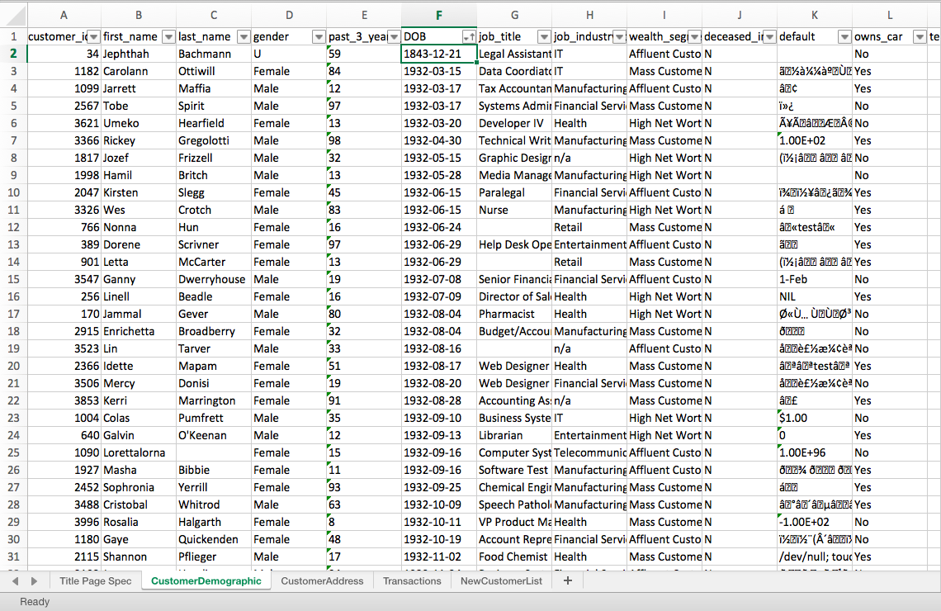

 | 6) Now do you notice anything strange about the data? If you have a look at the first customer (Jephthah Bachmann, you'll notice that they were born in 1843, meaning that they are 175 years old! This is obviously an error in the data so it would be something you'd include in the email to the client.

 | 7) For the rest of this Module 1 task, it is up to you to look through the client datasets and identify problems like in the example above with the DOB. We recommend you dot point everything you find in a Word Document before drafting your email. It is also really important that you use the 'Data Quality Framework Table' (you can find this back in the module page in the 'Resources' section). Note that the parameters and criteria provided to you is vague because this is reflective of what happens in the real world. We encourage you to use other sources like Google and Youtube to help you with this task. Even if you're unsure about the quality of your final email, just give it a go, submit the task and you'll get to see model work which is an actual email that a KPMG Data Analyst has submitted!

kpi
Brand Trends |  | customer segments with the highest customer value |  |  |  |  | New customers to focus on
Row Labels | Count of order_status |  | Row Labels | Sum of Value
Solex | 4253 |  | Mass Customer | 449.37771875 |  |  | Row Labels | Sum of Value
Giant Bicycles | 3312 |  | High Net Worth | 222.83934375 |  |  | Sylas | $368.00
WeareA2B | 3295 |  | Affluent Customer | 209.49703125 |  |  | Dickie | $367.00
OHM Cycles | 3043 |  | Grand Total | 881.71409375 |  |  | Burk | $367.00
Trek Bicycles | 2990 |  |  |  |  |  | Melloney | $367.00
Norco Bicycles | 2910 |  |  |  |  |  | Datha | $366.00
Grand Total | 19803 |  |  |  |  |  | Weidar | $366.00

Brands online order by percentage
Row Labels | Count of online_order |  | Total number of unique brand |  | Unique customer segment
Solex | 4169 |  | Row Labels | 6 | Row Labels
WeareA2B | 3245 |  | Giant Bicycles |  | Affluent Customer | 3
Giant Bicycles | 3244 |  | Norco Bicycles |  | High Net Worth
OHM Cycles | 2993 |  | OHM Cycles |  | Mass Customer
Trek Bicycles | 2931 |  | Solex |  | Grand Total
Norco Bicycles | 2863 |  | Trek Bicycles
Grand Total | 19445 |  | WeareA2B
 |  |  | Grand Total

Dashboard

numbers of unique brands
Unique customer segment

6
3
DASHBOARD

Brand Trends
Brands online order by percentage
Insights
 | Total
Solex | 4253
Giant Bicycles | 3312
WeareA2B | 3295
OHM Cycles | 3043
Trek Bicycles | 2990
Norco Bicycles | 2910
 | Total
Solex | 4169
WeareA2B | 3245
Giant Bicycles | 3244
OHM Cycles | 2993
Trek Bicycles | 2931
Norco Bicycles | 2863
From your data we found that you had a total of 6 unique brands which are Giant bicycles, solex, OHM cycle, weare A2B,Naeco bicycles and trek bicycle and 3 unique customer segment.
From this analysis, you can see that the trends, and the leading brands in trend which is solex with 4253 order online. And also the customer segment with the highest customer value is the mass customer.
finally the marketing team focus should more on this new customers as it shows that they enjoy the organization services.

New customers to focus on
customer segments with the highest customer value
 | Sum of Value
Sylas | $368.00
Dickie | $367.00
Burk | $367.00
Melloney | $367.00
Datha | $366.00
Weidar | $366.00
 | Total
Mass Customer | 449.37771875
High Net Worth | 222.83934375
Affluent Customer | 209.49703125

